Consultations
 | Annual Total | Consultation is: | Consultation is the process of determining the needs and priorities of the community. Consultation activities can be planned and formal, or spontaneous and informal.
 | 0 |  |  |  | A Guide to Types of Consulations
 | Date | Consultation TYPE (choose from drop down box) - Required | Topic (optional) | Comment (if required) | it is Repeated as a quick reference while you are filling in the spreadsheet
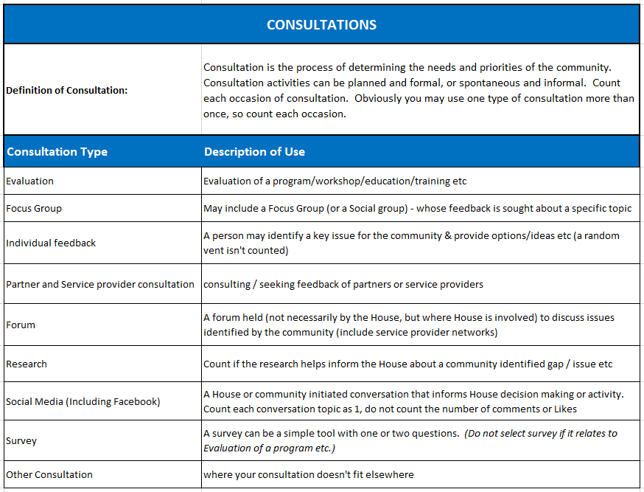
1
2
3
4
5
6
7
8
9
10
11
12
13
14
15
16
17
18
19
20
21
22
23
24
25
26
27
28
29
30
31
32
33
34
35
36
37
38
39
40
41
42
43
44
45
46
47
48
49
50
51
52
53
54
55
56
57
58
59
60
61
62
63
64
65
66
67
68
69
70
71
72
73
74
75
76
77
78
79
80
81
82
83
84
85
86
87
88
89
90
91
92
93
94
95
96
97
98
99
100
101
102
103
104
105
106
107
108
109
110
111
112
113
114
115
116
117
118
119
120
121
122
123
124
125
126
127
128
129
130
131
132
133
134
135
136
137
138
139
140
141
142
143
144
145
146
147
148
149
150
151
152
153
154
155
156
157
158
159
160
161
162
163
164
165
166
167
168
169
170
171
172
173
174
175
176
177
178
179
180
181
182
183
184
185
186
187
188
189
190
191
192
193
194
195
196
197
198
199
200

Report
2019-2020 report on the work of
[enter name] Neighbourhood House.
[Enter House Logo or Image]
Instructions are in green text. You can change the colour of the text in the report once like any other WORD or Office file - under the home menu above

Part of the Network of 35 Neighbourhood Houses across Tasmania

Add information About your House (there is space for about 135 words)

How much did we do?

 | In the last year, we connected with |  |  | 0 | people in our community in an average week
 | In the last year, |  |  | 0 | volunteers contributed to our work
 | In the last year, volunteers contributed an average of |  |  | 0 | hours per week
 | The time contributed by volunteers is equal to |  |  | 0 | full time staff, and valued at a total for all volunteer contributions of |  |  |  | $- | calculation is # FTE / $805.50 x 48 weeks - SCHADS award level 1 grade 1.
 |  |  |  |  | (paid at SCHADS award level 1, grad 1) |  |  | ($21.20/hour) | $38,664 pa
Participation by Category/Activity Type
 | Total
E-mail | 78.57%
in person | 0.00%
Outreach | 7.14%
Phone | 7.14%
Social media | 7.14%
Video Conference | 0.00%
Webinar (live) | 0.00%
Webinar (recorded) | 0.00%

How well did we do it?

Consultation Activities (Annual)

 | We consulted with community on

 | 0

 | occasions

 | We worked with |  | 0 | partners across our community

#theheartofourcommunity house@email address
House Phone number www.nht.org.au
Change the House contact details in the footer

Is anyone better off because of the work we do?

You need to put the total number of people who completed the surveys that are reporting from in the following section

 | Feedback from |  | 0 | participants, involved in a small cross section of our programs, gives us the below data

Select 2-3 measures/results to report and delete the text in the rows not used. Also add in percentages from your Priority area report.
 | As a result of being involved in activities, programs or accessing services through the House
 |  | % of participants surveyed said they would come back again
 |  | % said they felt more confident
 |  | % said they are more connected
 |  | % said they gained skills and knowledge
 |  | % said they contributed to their community
 |  | % said they felt safer
and/or
Select 2-3 measures/results to report and delete thetext in the rows not used. Also add in percentages from your Priority area report.
 | Feedback from |  | 0 | people in partner organisations says:
 |  | % said the House is a constructive and reliable partner
 |  | % said the House assisted us to connect with and work in local community
 |  | % said the partnership with the House has helped our org to meet local needs
 |  | % said the House activities and programs have met the needs of our clients
 |  | % said the House activities/initiatives make a positive difference in the lives ofour clients
 |  | % said the House is an important partner relative to other partners

The real impact of the work of Neigbourhood Houses is best understood by hearing stories from individuals who have been involved in the Neighbourhood House.

add in story and images to fill this space - NHT can assist of course if you are not sure how to put this in here and to format it

Footer -
add acknowledgements and logos of your partnerships and funding bodies. Use the INSERT menu - then insert pictures - while clicked on this box. Double click on the box to select and delete the text.

Enter your House name here

Note: Houses can still choose to collect as many weeks as they like, but must identify the TWO census weeks - in different Quarters.
 | Week 1 - start date |  |  |  |  |  | No. of weeks collected (up to 48) |  | 2
 | Week 2 - start date

KPI 1:
Number of Community members, volunteers, local organisations and support providers who are actively involved in the Neighbourhood House activities as compared to year one of a three year agreement.
KPI 1
 |  |  |  | (n)* | Avg / wk | Annual
 | 1) Number of contacts (People participating) |  |  | 0 | 0 | 0
 | 2) Number of Volunteers |  |  | 0 | 0 | 0
 | 3) Volunteer Hours |  |  | 0 | 0 | 0
 | Volunteer Contribution - FTE based on Hours of: |  | 38 | 0 | 0.0 | 0.0

NOTE:
*(n) is the total of weeks collected by the House, this can be MORE than the required CENSUS weeks
 | (i) Registered number of Volunteers - annual total |  |  |  |  | enter manually
 | (ii) Registered number of Members - annual total |  |  |  |  | enter manually

 | 4) Partners - annual total |  | 0 |  |  | or enter manually
 | (auto populates from 'partners' tab, will show 'n/a' if manual figure entered, so leave blank if not using)

NOTE:
The numbers in this table are an AVERAGE week, based on the two CENSUS week.
Staff numbers and Hours is optional based on request from Houses - not required under the KPIs.
 | 5) Activities (in an average week)
 | Category of Activity |  | Frequency of Activity | # Contacts (people participating) | Number Volunteers | Volunteer Hours | Staff (optional) | Staff Hours (optional)
1 | Access to community resources |  | 1 | 0 | 0 | 0 | 0 | 0
2 | Admin and operational (internal) |  | 0 | 0 | 0 | 0 | 0 | 0
3 | Children and Youth |  | 0 | 0 | 0 | 0 | 0 | 0
4 | Community gardening and sheds activities |  | 0 | 0 | 0 | 0 | 0 | 0
5 | Community events |  | 0 | 0 | 0 | 0 | 0 | 0
6 | Direct support |  | 0 | 0 | 0 | 0 | 0 | 0
7 | Employment pathways |  | 0 | 0 | 0 | 0 | 0 | 0
8 | Health and wellbeing |  | 0 | 0 | 0 | 0 | 0 | 0
9 | Information and referral |  | 0 | 0 | 0 | 0 | 0 | 0
10 | Parenting and families |  | 0 | 0 | 0 | 0 | 0 | 0
11 | Skills and knowledge development |  | 0 | 0 | 0 | 0 | 0 | 0
12 | Social connection |  | 0 | 0 | 0 | 0 | 0 | 0
 | Totals |  | 1 | 0 | 0 | 0 | 0 | 0

KPI 2
KPI 2:
Number and range of the activities used by the Neighbourhood House to consult with their community on its concerns, issues and strengths and to identify Neighbourhood House priorities.
Consultation Activities (Annual)
 | Consultation activities
 | Consultation Type
1 | Evaluation |  | 0
2 | Focus Group |  | 0
3 | Individual feedback |  | 0
4 | Partner and Service Provider consultation |  | 0
5 | Forum |  | 0
6 | Research |  | 0
DEFINITION:
Consultation is the process of determining the needs and priorities of the community.
Consultation activities can be planned and formal, or spontaneous and informal.
7 | Social Media (Including Facebook) |  | 0
8 | Survey |  | 0
9 | Other Consultation |  | 0
 | Annual Total |  | 0
KPI 3: Priority Area Reports on a separate template

Reporting for Houses Use - Census, Full Year, Average Weekly Data

 | NOTING Full Year = | 48 | weeks

 | RAW DATA collected by House |  | 2 | House provided 2 weeks CENSUS data
 | Totals by category |  | No. People | No. Vols | Vol Hours | No. Staff | Staff Hours | Frequency of Activities
1 | Access to community resources |  | 0 | 0 | 0 | 0 | 0 | 1
2 | Admin and operational (internal) |  | 0 | 0 | 0 | 0 | 0 | 0
3 | Children and Youth |  | 0 | 0 | 0 | 0 | 0 | 0
4 | Community gardening and sheds activities |  | 0 | 0 | 0 | 0 | 0 | 0
5 | Community events |  | 0 | 0 | 0 | 0 | 0 | 0
6 | Direct support |  | 0 | 0 | 0 | 0 | 0 | 0
7 | Employment pathways |  | 0 | 0 | 0 | 0 | 0 | 0
8 | Health and wellbeing |  | 0 | 0 | 0 | 0 | 0 | 0
9 | Information and referral |  | 0 | 0 | 0 | 0 | 0 | 0
10 | Parenting and families |  | 0 | 0 | 0 | 0 | 0 | 0
11 | Skills and knowledge development |  | 0 | 0 | 0 | 0 | 0 | 0
12 | Social connection |  | 0 | 0 | 0 | 0 | 0 | 0
 | Overall Total |  | 0 | 0 | 0 | 0 | 0 | 1

 | FULL YEAR (FY) based on collection weeks | 48
 | Totals by category |  | No. People | No. Vols | Vol Hours | No. Staff | Staff Hours | Frequency of Activities
1 | Access to community resources |  | 0 | 0 | 0 | 0 | 0 | 24
2 | Admin and operational (internal) |  | 0 | 0 | 0 | 0 | 0 | 0
3 | Children and Youth |  | 0 | 0 | 0 | 0 | 0 | 0
4 | Community gardening and sheds activities |  | 0 | 0 | 0 | 0 | 0 | 0
5 | Community events |  | 0 | 0 | 0 | 0 | 0 | 0
6 | Direct support |  | 0 | 0 | 0 | 0 | 0 | 0
7 | Employment pathways |  | 0 | 0 | 0 | 0 | 0 | 0
8 | Health and wellbeing |  | 0 | 0 | 0 | 0 | 0 | 0
9 | Information and referral |  | 0 | 0 | 0 | 0 | 0 | 0
10 | Parenting and families |  | 0 | 0 | 0 | 0 | 0 | 0
11 | Skills and knowledge development |  | 0 | 0 | 0 | 0 | 0 | 0
12 | Social connection |  | 0 | 0 | 0 | 0 | 0 | 0
 | Overall Total |  | 0 | 0 | 0 | 0 | 0 | 24

 | AVERAGED for ONE WEEK (wk)
 | Totals by category |  | No. People | No. Vols | Vol Hours | No. Staff | Staff Hours | Frequency of Activities
1 | Access to community resources |  | 0 | 0 | 0 | 0 | 0 | 1
2 | Admin and operational (internal) |  | 0 | 0 | 0 | 0 | 0 | 0
3 | Children and Youth |  | 0 | 0 | 0 | 0 | 0 | 0
4 | Community gardening and sheds activities |  | 0 | 0 | 0 | 0 | 0 | 0
5 | Community events |  | 0 | 0 | 0 | 0 | 0 | 0
6 | Direct support |  | 0 | 0 | 0 | 0 | 0 | 0
7 | Employment pathways |  | 0 | 0 | 0 | 0 | 0 | 0
8 | Health and wellbeing |  | 0 | 0 | 0 | 0 | 0 | 0
9 | Information and referral |  | 0 | 0 | 0 | 0 | 0 | 0
10 | Parenting and families |  | 0 | 0 | 0 | 0 | 0 | 0
11 | Skills and knowledge development |  | 0 | 0 | 0 | 0 | 0 | 0
12 | Social connection |  | 0 | 0 | 0 | 0 | 0 | 0
 | Overall Total |  | 0 | 0 | 0 | 0 | 0 | 1

 | PERCENTAGES (for graphs)
 | Totals by category |  | No. People | No. Vols | Vol Hours | No. Staff | Staff Hours | Frequency of Activities
1 | Access to community resources |  | 0% | 0% | 0% | 0% | 0% | 100%
2 | Admin and operational (internal) |  | 0% | 0% | 0% | 0% | 0% | 0%
3 | Children and Youth |  | 0% | 0% | 0% | 0% | 0% | 0%
4 | Community gardening and sheds activities |  | 0% | 0% | 0% | 0% | 0% | 0%
5 | Community events |  | 0% | 0% | 0% | 0% | 0% | 0%
6 | Direct support |  | 0% | 0% | 0% | 0% | 0% | 0%
7 | Employment pathways |  | 0% | 0% | 0% | 0% | 0% | 0%
8 | Health and wellbeing |  | 0% | 0% | 0% | 0% | 0% | 0%
9 | Information and referral |  | 0% | 0% | 0% | 0% | 0% | 0%
10 | Parenting and families |  | 0% | 0% | 0% | 0% | 0% | 0%
11 | Skills and knowledge development |  | 0% | 0% | 0% | 0% | 0% | 0%
12 | Social connection |  | 0% | 0% | 0% | 0% | 0% | 0%
 | Total
Direct support
Information and referral
Parenting and families
please select a category from the drop down box
Skills and knowledge development
Social connection
Employment pathways
 | Overall Total |  | 0% | 0% | 0% | 0% | 0% | 100%

 | Row Labels | Sum of 0
 | Direct support
 | Information and referral
 | Parenting and families
 | please select a category from the drop down box
 | Skills and knowledge development
 | Social connection
 | Employment pathways
 | Grand Total

Participation by Category/Activity Type

Participation by Category / Activity Type

Volunteer Contribution by Type

Volunteer Hours by Type

Staff by Activity (Category)

Staff Hours by Activity (Category)

